Introduction

The Messier list starts with 103 deep-sky objects by the 18th century French astronomer Charles Messier. Eventually, seven additions were made in the 20th century, bring the list up to 110 objects. Messier objects are easily observed with a small telescope. And a few are visible using only binoculars or even just the eye alone.This spreadsheet enables one to specify date/time/timezone and limits regarding the field of view (azimuth, altitude). The Messier objects that are visible will be highlighted.

 | Compiled by: Anton Viola (Astronomy Morsels). | Email

 | Latest update: 12th May, 2024 | V1.2

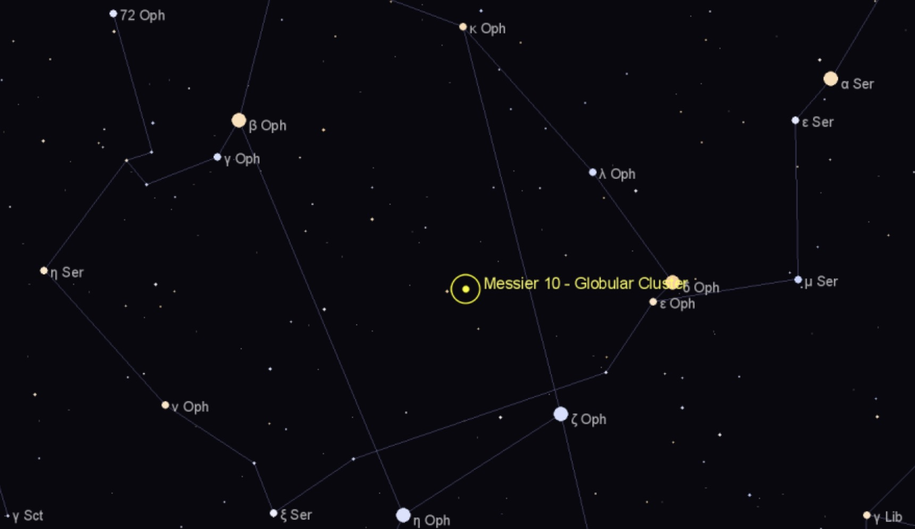

All Rights Reserved: © Astronomy Morsels.
I'm solely responsible for the input and express no warranty. Use at your own risk.
Nonetheless, this spreadsheet has been carefully reviewed, and calculation results have been compared with other applications.

Visibility
Date, time, location |  |  |  | Field of view limits (azimuth, altitude) |  |  |  |  |  |  |  |  | Visible objects (based on criteria)
 | Inputs |  |  |  |  | min | min |  |  |  |  |  | Date: 08.08.2024, Time: 22:00:00 |  |  |  | Moon: 17.47%
Date | 2024-08-08 |  |  |  |  | 10.00 | 25.00 |  |  |  |  |  | Latitude: 46.45, Longitude: 7.42 (Home) |  |  |  | # total: 38
Time | 22:00:00 |  |  |  |  | max | max |  |  |  |  |  | Limits: 10 <= azimuth <= 350, 25 <= altitude <= 90 |  |  |  | # selected: 38
Timezone | 1 |  |  |  |  | 350.00 | 90.00
Leap year? | Y |  |  | M | Observed? | Azimuth | Altitude | Common Name | Difficulty | RA | Decl | HA | M | Observed? | Azimuth | Altitude | Difficulty
Day nr. | 221 |  |  | M1 | - | 16.41 | -19.74 | Crab Nebula | Moderate | 5.58 | 22.17 | 196.69 | M2 | - | 127.28 | 30.91 | Easy
Weekday | Thursday |  | * | M2 | - | 127.28 | 30.91 |  | Easy | 21.56 | 0.82 | -43.06 | M3 | - | 280.67 | 30.25 | Easy
JDE | 2,460,531.42 |  | * | M3 | - | 280.67 | 30.25 |  | Easy | 13.70 | 28.38 | 74.76 | M5 | - | 240.68 | 27.57 | Very Easy
Delta days | 8,986.42 |  |  | M4 | - | 210.96 | 10.65 | Spider Globular | Hard | 16.39 | -26.53 | 34.41 | M10 | - | 212.07 | 34.45 | Moderate
Location | Home |  | * | M5 | - | 240.68 | 27.57 | Rose Cluster | Very Easy | 15.31 | 2.08 | 50.66 | M11 | - | 176.93 | 37.24 | Very Easy
φ (latitude) | 46.4500 |  |  | M6 | - | 193.10 | 10.13 | Butterfly Cluster | Easy | 17.67 | -32.22 | 15.29 | M12 | - | 215.87 | 35.48 | Moderate
L (longitude) | 7.4200 |  |  | M7 | - | 189.79 | 8.04 | Ptolemy's Cluster | Easy | 17.90 | -34.82 | 11.84 | M13 | - | 256.55 | 65.67 | Very Easy
UT (hours) | 21.00 |  |  | M8 | - | 189.00 | 18.66 | Lagoon Nebula | Moderate | 18.06 | -24.38 | 9.36 | M14 | - | 200.43 | 38.35 | Moderate
LST (degrees) | 280.31 |  |  | M9 | - | 201.07 | 22.44 |  | Moderate | 17.32 | -18.52 | 20.51 | M15 | - | 120.05 | 40.68 | Easy
Marker name | Observed? |  | * | M10 | - | 212.07 | 34.45 |  | Moderate | 16.95 | -4.10 | 26.04 | M16 | - | 186.27 | 29.55 | Easy
 | values | include? | * | M11 | - | 176.93 | 37.24 | Wild Duck Cluster | Very Easy | 18.85 | -6.27 | -2.46 | M17 | - | 185.52 | 27.20 | Easy
Can for instance be used to indicate whether an object is of special interest | - | yes | * | M12 | - | 215.87 | 35.48 | Gumball Globular | Moderate | 16.79 | -1.95 | 28.51 | M18 | - | 185.69 | 26.23 | Moderate
 | x | yes | * | M13 | - | 256.55 | 65.67 | (Great) Hercules Globular Cluster | Very Easy | 16.70 | 36.47 | 29.89 | M26 | - | 178.83 | 34.14 | Moderate
 |  |  | * | M14 | - | 200.43 | 38.35 |  | Moderate | 17.63 | -3.25 | 15.91 | M27 | - | 139.64 | 61.48 | Easy
 |  |  | * | M15 | - | 120.05 | 40.68 | Great Pegasus Cluster | Easy | 21.50 | 12.17 | -42.19 | M29 | - | 103.58 | 69.61 | Easy
 |  |  | * | M16 | - | 186.27 | 29.55 | Eagle Nebula Cluster | Easy | 18.31 | -13.78 | 5.61 | M31 | - | 58.65 | 28.34 | Easy
 |  |  | * | M17 | - | 185.52 | 27.20 | Omega, Swan, Horseshoe, Lobster Nebula | Easy | 18.35 | -16.18 | 5.11 | M32 | - | 59.01 | 28.10 | Easy
 |  |  | * | M18 | - | 185.69 | 26.23 | Black Swan Cluster | Moderate | 18.33 | -17.13 | 5.34 | M39 | - | 70.18 | 61.41 | Easy
 |  |  |  | M19 | - | 202.68 | 13.93 |  | Moderate | 17.04 | -26.27 | 24.66 | M40 | - | 319.49 | 35.80 | Easy
Locations |  |  |  | M20 | - | 189.53 | 19.96 | Trifid Nebula | Very Hard | 18.04 | -23.03 | 9.74 | M51 | - | 301.17 | 39.08 | Moderate
Name | φ (latitude) | L (longitude) |  | M21 | - | 189.04 | 20.55 | Webb's Cross Cluster | Moderate | 18.08 | -22.50 | 9.16 | M52 | - | 42.39 | 48.21 | Easy
Home | 46.4500 | 7.4200 |  | M22 | - | 181.18 | 19.64 | (Great) Sagittarius Cluster | Very Easy | 18.61 | -23.90 | 1.21 | M56 | - | 154.04 | 72.35 | Moderate
 |  |  |  | M23 | - | 191.49 | 23.77 |  | Easy | 17.95 | -19.02 | 11.11 | M57 | - | 168.95 | 76.38 | Easy
 |  |  |  | M24 | - | 185.98 | 24.93 | (Small) Sagittarius Star Cloud, Milky Way Patch | Moderate | 18.31 | -18.42 | 5.71 | M63 | - | 297.39 | 34.20 | Moderate
 |  |  |  | M25 | - | 182.48 | 24.28 | IC 4725 | Easy | 18.53 | -19.23 | 2.39 | M71 | - | 145.59 | 58.57 | Moderate
 |  |  | * | M26 | - | 178.83 | 34.14 |  | Moderate | 18.75 | -9.40 | -0.99 | M76 | - | 42.33 | 27.07 | Moderate
 |  |  | * | M27 | - | 139.64 | 61.48 | Dumbbell Nebula, Apple Core Nebula | Easy | 19.99 | 22.72 | -19.59 | M81 | - | 341.80 | 30.94 | Easy
 |  |  |  | M28 | - | 184.01 | 18.58 |  | Easy | 18.41 | -24.87 | 4.19 | M82 | - | 342.22 | 31.44 | Easy
Moon's illuminated fraction: 17.47% |  |  | * | M29 | - | 103.58 | 69.61 | Cooling Tower | Easy | 20.40 | 38.53 | -25.66 | M92 | - | 265.07 | 74.75 | Easy
 | black bottom | transparent | black top
 | 0.00 | 0.00 | 2.00
 | 0.00 | 0.00 | 2.00
 | 0.00 | 0.00 | 2.00
 | 0.00 | 0.00 | 2.00
 | 0.00 | 0.00 | 2.00
 | 0.00 | 0.00 | 2.00
 | 0.00 | 0.00 | 2.00
 | 0.00 | 0.00 | 2.00
 | 0.00 | 0.00 | 2.00
 | 0.00 | 0.00 | 2.00
 | 0.00 | 0.00 | 2.00
 | 0.00 | 0.00 | 2.00
 | 0.00 | 0.00 | 2.00
 | 0.00 | 0.00 | 2.00
 | 0.00 | 0.00 | 2.00
 | 0.00 | 0.00 | 2.00
 | 0.00 | 0.00 | 2.00
 | 0.00 | 0.00 | 2.00
 | 0.00 | 0.00 | 2.00
 | 0.00 | 0.00 | 2.00
 | 0.00 | 0.00 | 2.00
 | 0.00 | 0.00 | 2.00
 | 0.00 | 0.00 | 2.00
 | 0.00 | 0.00 | 2.00
 | 0.00 | 0.00 | 2.00
 | 0.00 | 0.00 | 2.00
 | 0.00 | 0.00 | 2.00
 | 0.00 | 0.00 | 2.00
 | 0.00 | 0.00 | 2.00
 | 0.00 | 0.00 | 2.00
 | 0.00 | 0.00 | 2.00
 | 0.00 | 0.00 | 2.00
 | 0.00 | 0.00 | 2.00
 | 0.00 | 0.00 | 2.00
 | 0.00 | 0.00 | 2.00
 | 0.00 | 0.00 | 2.00
 | 0.00 | 0.00 | 2.00
 | 0.00 | 0.00 | 2.00
 | 0.00 | 0.00 | 2.00
 | 0.00 | 0.00 | 2.00
 | 0.00 | 0.00 | 2.00
 | 0.00 | 0.00 | 2.00
 | 0.00 | 0.00 | 2.00
 | 0.00 | 0.00 | 2.00
 | 0.00 | 0.00 | 2.00
 | 0.00 | 0.00 | 2.00
 | 0.00 | 0.00 | 2.00
 | 0.00 | 0.00 | 2.00
 | 0.00 | 0.00 | 2.00
 | 0.00 | 0.00 | 2.00
...
 |  |  |  | M30 | - | 138.97 | 9.45 | Jellyfish Cluster | Easy | 21.67 | -23.18 | -44.79 | M94 | - | 299.74 | 29.90 | Moderate
 |  |  | * | M31 | - | 58.65 | 28.34 | Andromeda Galaxy | Easy | 0.71 | 41.27 | 269.64 | M97 | - | 323.39 | 26.64 | Very Hard
 |  |  | * | M32 | - | 59.01 | 28.10 | "Le Gentil" (Satellite of M31) | Easy | 0.71 | 40.87 | 269.64 | M101 | - | 307.04 | 46.84 | Very Hard
 |  |  |  | M33 | - | 66.44 | 6.25 | Triangulum/Pinwheel Galaxy | Hard | 1.57 | 20.65 | 256.84 | M102 | - | 305.90 | 55.97 | Hard
 |  |  |  | M34 | - | 40.78 | 13.77 | Spiral Cluster | Easy | 2.70 | 42.78 | 239.81 | M103 | - | 35.02 | 33.80 | Easy
 |  |  |  | M35 | - | 7.79 | -18.84 | Shoe-Buckle Cluster | Very Easy | 6.15 | 24.33 | 188.09 | M106 | - | 309.38 | 29.17 | Hard
 |  |  |  | M36 | - | 13.56 | -8.09 | Pinwheel Cluster | Easy | 5.60 | 34.13 | 196.29 | M108 | - | 324.28 | 26.75 | Hard
 |  |  |  | M37 | - | 10.44 | -10.23 | Salt and Pepper Cluster | Easy | 5.87 | 32.55 | 192.21 | M109 | - | 317.31 | 30.26 | Hard
 |  |  |  | M38 | - | 14.71 | -6.11 | Starfish Cluster | Easy | 5.48 | 35.83 | 198.14 | M110 | - | 58.58 | 28.94 | Hard
 |  |  | * | M39 | - | 70.18 | 61.41 |  | Easy | 21.54 | 48.43 | -42.74
 |  |  | * | M40 | - | 319.49 | 35.80 | Winecke 4 | Easy | 12.37 | 58.08 | 94.76
 |  |  |  | M41 | - | 356.91 | -64.26 | Little Beehive Cluster | Easy | 6.78 | -20.73 | 178.56
 |  |  |  | M42 | - | 24.25 | -46.60 | (Great) Orion Nebula | Very Easy | 5.59 | -5.45 | 196.46
 |  |  |  | M43 | - | 24.10 | -46.44 | De Mairan's Nebula | Easy | 5.59 | -5.27 | 196.41
 |  |  |  | M44 | - | 330.61 | -18.34 | Beehive Cluster (The Manger, The Praesepe) | Easy | 8.67 | 19.98 | 150.29
 |  |  |  | M45 | - | 39.64 | -9.28 | Pleiades, Subaru, Seven Sisters | Very Easy | 3.78 | 24.00 | 223.56
 |  |  |  | M46 | - | 333.22 | -55.93 |  | Easy | 7.70 | -14.82 | 164.86
 |  |  |  | M47 | - | 335.53 | -56.01 |  | Easy | 7.61 | -14.50 | 166.16
yes |  |  |  | M48 | - | 326.63 | -44.71 |  | Easy | 8.23 | -5.80 | 156.86
no |  |  |  | M49 | - | 277.59 | 3.83 |  | Moderate | 12.50 | 8.00 | 92.86
 |  |  |  | M50 | - | 351.24 | -51.59 | Heart-Shaped Cluster | Easy | 7.05 | -8.33 | 174.51
 |  |  | * | M51 | - | 301.17 | 39.08 | Whirlpool Galaxy | Moderate | 13.50 | 47.20 | 77.84
 |  |  | * | M52 | - | 42.39 | 48.21 | Scorpion Cluster (Cassiopeia Salt-and-Pepper) | Easy | 23.40 | 61.58 | -70.74
 |  |  |  | M53 | - | 277.27 | 18.43 |  | Easy | 13.22 | 18.17 | 82.09
 |  |  |  | M54 | - | 176.94 | 13.00 |  | Moderate | 18.92 | -30.48 | -3.46
 |  |  |  | M55 | - | 167.19 | 11.45 | Specter Cluster, Summer Rose (Star) | Hard | 19.67 | -30.97 | -14.69
 |  |  | * | M56 | - | 154.04 | 72.35 |  | Moderate | 19.28 | 30.18 | -8.84
 |  |  | * | M57 | - | 168.95 | 76.38 | Ring Nebula | Easy | 18.89 | 33.03 | -3.09
 |  |  |  | M58 | - | 278.83 | 7.93 |  | Moderate | 12.63 | 11.82 | 90.89
 |  |  |  | M59 | - | 277.95 | 8.54 |  | Hard | 12.70 | 11.65 | 89.81
 |  |  |  | M60 | - | 277.58 | 8.76 |  | Moderate | 12.73 | 11.55 | 89.39
 |  |  |  | M61 | - | 276.58 | -0.09 | Swelling Spiral | Hard | 12.37 | 4.47 | 94.84
 |  |  |  | M62 | - | 201.81 | 10.16 | Flickering Globular | Moderate | 17.02 | -30.12 | 25.01
 |  |  | * | M63 | - | 297.39 | 34.20 | Sunflower Galaxy | Moderate | 13.26 | 42.03 | 81.36
 |  |  |  | M64 | - | 282.72 | 18.11 | Black Eye Galaxy | Moderate | 12.95 | 21.68 | 86.14
 |  |  |  | M65 | - | 293.91 | -4.13 | Leo Triplet | Moderate | 11.32 | 13.08 | 110.59
 |  |  |  | M66 | - | 293.60 | -4.00 | Leo Triplet | Easy | 11.34 | 12.98 | 110.26
 |  |  |  | M67 | - | 324.79 | -24.94 | King Cobra Cluster | Easy | 8.84 | 11.82 | 147.71
 |  |  |  | M68 | - | 251.13 | -19.33 |  | Very Hard | 12.66 | -26.75 | 90.44
 |  |  |  | M69 | - | 182.12 | 11.17 |  | Moderate | 18.52 | -32.35 | 2.46
 |  |  |  | M70 | - | 179.58 | 11.25 |  | Moderate | 18.72 | -32.30 | -0.49
 |  |  | * | M71 | - | 145.59 | 58.57 | Angelfish Cluster | Moderate | 19.90 | 18.78 | -18.14
 |  |  |  | M72 | - | 144.35 | 23.98 |  | Moderate | 20.89 | -12.53 | -33.06
 |  |  |  | M73 | - | 143.07 | 23.33 | Group of 4 stars | Hard | 20.98 | -12.63 | -34.44
 |  |  |  | M74 | - | 69.22 | 2.20 | Phantom Nebula/Cluster/Galaxy | Very Hard | 1.61 | 15.78 | 256.14
 |  |  |  | M75 | - | 159.21 | 18.99 |  | Moderate | 20.10 | -21.92 | -21.21
 |  |  | * | M76 | - | 42.33 | 27.07 | Little Dumbbell, Cork, Butterfly Nebula | Moderate | 1.71 | 51.57 | 254.74
 |  |  |  | M77 | - | 66.99 | -20.37 | Cetus A, Squid Galaxy | Moderate | 2.71 | 0.02 | 239.64
 |  |  |  | M78 | - | 18.50 | -41.98 | Casper (the Friendly) Ghost Nebula | Moderate | 5.78 | 0.05 | 193.64
 |  |  |  | M79 | - | 41.63 | -63.25 |  | Moderate | 5.41 | -24.55 | 199.19
 |  |  |  | M80 | - | 213.84 | 13.28 |  | Easy | 16.28 | -22.98 | 36.06
 |  |  | * | M81 | - | 341.80 | 30.94 | Bode's Galaxy | Easy | 9.93 | 69.07 | 131.41
 |  |  | * | M82 | - | 342.22 | 31.44 | Cigar Galaxy | Easy | 9.93 | 69.68 | 131.36
 |  |  |  | M83 | - | 239.57 | -12.53 | Southern Pinwheel Galaxy | Hard | 13.62 | -29.87 | 76.06
 |  |  |  | M84 | - | 281.81 | 6.56 |  | Moderate | 12.42 | 12.88 | 94.04
 |  |  |  | M85 | - | 285.49 | 10.42 |  | Moderate | 12.42 | 18.18 | 93.96
 |  |  |  | M86 | - | 281.67 | 6.80 |  | Moderate | 12.44 | 12.95 | 93.76
 |  |  |  | M87 | - | 280.47 | 7.18 | Virgo A, Smoking Gun Galaxy | Moderate | 12.51 | 12.40 | 92.61
 |  |  |  | M88 | - | 281.67 | 8.83 |  | Moderate | 12.53 | 14.42 | 92.31
 |  |  |  | M89 | - | 279.70 | 8.12 |  | Moderate | 12.60 | 12.55 | 91.39
 |  |  |  | M90 | - | 279.94 | 8.75 |  | Hard | 12.61 | 13.17 | 91.11
 |  |  |  | M91 | - | 281.13 | 9.46 |  | Very Hard | 12.59 | 14.50 | 91.46
 |  |  | * | M92 | - | 265.07 | 74.75 |  | Easy | 17.29 | 43.13 | 21.04
 |  |  |  | M93 | - | 325.19 | -64.08 | Critter, Butterfly Cluster | Easy | 7.74 | -23.87 | 164.16
 |  |  | * | M94 | - | 299.74 | 29.90 | Cat's (Crocodile's) Eye Galaxy | Moderate | 12.85 | 41.12 | 87.59
 |  |  |  | M95 | - | 299.71 | -10.56 |  | Hard | 10.73 | 11.70 | 119.31
 |  |  |  | M96 | - | 299.23 | -10.05 |  | Moderate | 10.78 | 11.82 | 118.61
 |  |  | * | M97 | - | 323.39 | 26.64 | Owl Nebula | Very Hard | 11.25 | 55.02 | 111.61
 |  |  |  | M98 | - | 285.21 | 6.13 |  | Very Hard | 12.23 | 14.90 | 96.86
 |  |  |  | M99 | - | 283.99 | 6.61 | Coma Pinwheel Galaxy, St. Catherine's Wheel | Hard | 12.31 | 14.42 | 95.61
 |  |  |  | M100 | - | 284.25 | 8.31 | Mirror Galaxy | Very Hard | 12.38 | 15.82 | 94.59
 |  |  | * | M101 | - | 307.04 | 46.84 | Pinwheel Galaxy | Very Hard | 14.05 | 54.35 | 69.51
 |  |  | * | M102 | - | 305.90 | 55.97 | Spindle Galaxy | Hard | 15.11 | 55.77 | 53.69
 |  |  | * | M103 | - | 35.02 | 33.80 |  | Easy | 1.55 | 60.70 | 257.01
 |  |  |  | M104 | - | 262.16 | -8.61 | Sombrero Galaxy | Easy | 12.67 | -11.62 | 90.31
 |  |  |  | M105 | - | 299.51 | -9.30 |  | Moderate | 10.80 | 12.58 | 118.36
 |  |  | * | M106 | - | 309.38 | 29.17 |  | Hard | 12.32 | 47.30 | 95.56
 |  |  |  | M107 | - | 214.57 | 23.85 | Crucifix Cluster | Hard | 16.54 | -13.05 | 32.19
 |  |  | * | M108 | - | 324.28 | 26.75 | Surfboard Galaxy | Hard | 11.19 | 55.67 | 112.44
 |  |  | * | M109 | - | 317.31 | 30.26 | Vacuum Cleaner Galaxy | Hard | 11.96 | 53.38 | 100.91
 |  |  | * | M110 | - | 58.58 | 28.94 | Edward Young Star (Satellite of M31) | Hard | 0.67 | 41.68 | 270.21

 |  |  |  |  |  |  |  |  |  |  | DtoR | 0.01745

Illumination
DtoR | 0.01745329252 |  | Angle | 31.442
T | 0.24603467944 |  | # points | 200 |  | dgr | 148.558
D | 49.001154238 |  | stepsize | 0.01 |  | cos | -0.85
M | 214.54389849 |  |  |  |  | minor semi axis | 0.85317081862
M' | 182.4343846 |  |  |  |  | major semi axis | 1
i | 130.59040774
k | 0.17467645321 |  | x | ellipse | black bottom | transparent | black top
 |  |  | -1.00 | 0.00 | 0.00 | 0.00 | 2.00
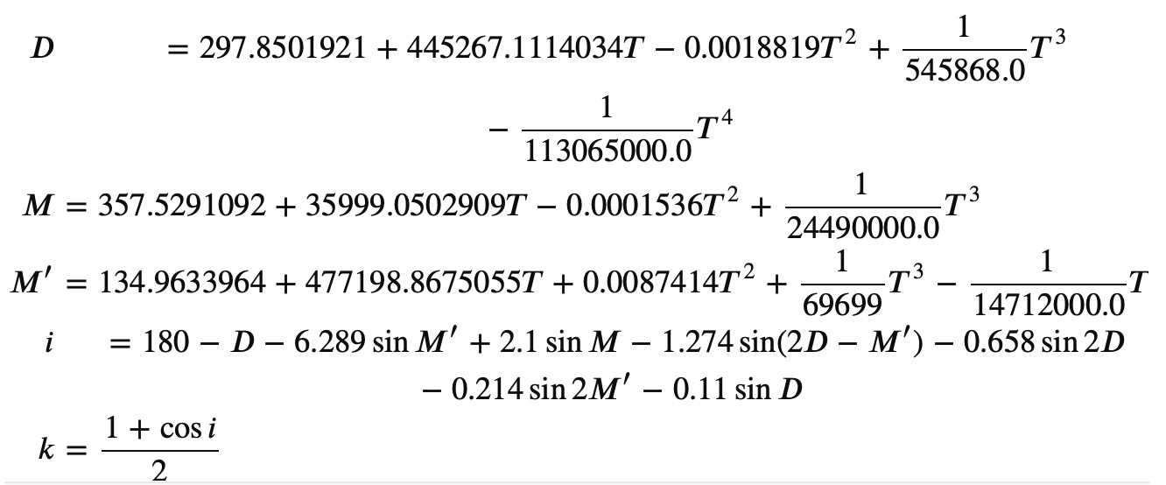
 |  |  | -0.99 | 0.00 | 0.00 | 0.00 | 2.00
 |  |  | -0.98 | 0.00 | 0.00 | 0.00 | 2.00
 |  |  | -0.97 | 0.00 | 0.00 | 0.00 | 2.00
 |  |  | -0.96 | 0.00 | 0.00 | 0.00 | 2.00
 |  |  | -0.95 | 0.00 | 0.00 | 0.00 | 2.00
 |  |  | -0.94 | 0.00 | 0.00 | 0.00 | 2.00
 |  |  | -0.93 | 0.00 | 0.00 | 0.00 | 2.00
 |  |  | -0.92 | 0.00 | 0.00 | 0.00 | 2.00
 |  |  | -0.91 | 0.00 | 0.00 | 0.00 | 2.00
JDEnew moon | 2,460,438.64 | reference date (08.05.2024) | -0.90 | 0.00 | 0.00 | 0.00 | 2.00
delta | 0.14171407581 | (before FM) | -0.89 | 0.00 | 0.00 | 0.00 | 2.00
angle | 31.441761579 |  | -0.88 | 0.00 | 0.00 | 0.00 | 2.00
 |  |  | -0.87 | 0.00 | 0.00 | 0.00 | 2.00
0 | 0 | New moon | -0.86 | 0.00 | 0.00 | 0.00 | 2.00
45 | 22.5 | Waxing crescent | -0.85 | 0.09 | 0.00 | 0.00 | 2.00
90 | 67.5 | First quarter | -0.84 | 0.18 | 0.00 | 0.00 | 2.00
135 | 112.5 | Waxing gibbous | -0.83 | 0.23 | 0.00 | 0.00 | 2.00
180 | 157.5 | Full moon | -0.82 | 0.28 | 0.00 | 0.00 | 2.00
225 | 202.5 | Waning gibbous | -0.81 | 0.31 | 0.00 | 0.00 | 2.00
270 | 247.5 | Last quarter | -0.80 | 0.35 | 0.00 | 0.00 | 2.00
315 | 292.5 | Waning crescent | -0.79 | 0.38 | 0.00 | 0.00 | 2.00
360 | 337.5 | New moon | -0.78 | 0.41 | 0.00 | 0.00 | 2.00
 |  |  | -0.77 | 0.43 | 0.00 | 0.00 | 2.00
 |  |  | -0.76 | 0.45 | 0.00 | 0.00 | 2.00
 |  |  | -0.75 | 0.48 | 0.00 | 0.00 | 2.00
 |  |  | -0.74 | 0.50 | 0.00 | 0.00 | 2.00
 |  |  | -0.73 | 0.52 | 0.00 | 0.00 | 2.00
 |  |  | -0.72 | 0.54 | 0.00 | 0.00 | 2.00
 |  |  | -0.71 | 0.55 | 0.00 | 0.00 | 2.00
 |  |  | -0.70 | 0.57 | 0.00 | 0.00 | 2.00
 |  |  | -0.69 | 0.59 | 0.00 | 0.00 | 2.00
 |  |  | -0.68 | 0.60 | 0.00 | 0.00 | 2.00
 |  |  | -0.67 | 0.62 | 0.00 | 0.00 | 2.00
 |  |  | -0.66 | 0.63 | 0.00 | 0.00 | 2.00
 |  |  | -0.65 | 0.65 | 0.00 | 0.00 | 2.00
 |  |  | -0.64 | 0.66 | 0.00 | 0.00 | 2.00
 |  |  | -0.63 | 0.67 | 0.00 | 0.00 | 2.00
 |  |  | -0.62 | 0.69 | 0.00 | 0.00 | 2.00
 |  |  | -0.61 | 0.70 | 0.00 | 0.00 | 2.00
 |  |  | -0.60 | 0.71 | 0.00 | 0.00 | 2.00
 |  |  | -0.59 | 0.72 | 0.00 | 0.00 | 2.00
 |  |  | -0.58 | 0.73 | 0.00 | 0.00 | 2.00
 |  |  | -0.57 | 0.74 | 0.00 | 0.00 | 2.00
 |  |  | -0.56 | 0.75 | 0.00 | 0.00 | 2.00
 |  |  | -0.55 | 0.76 | 0.00 | 0.00 | 2.00
 |  |  | -0.54 | 0.77 | 0.00 | 0.00 | 2.00
 |  |  | -0.53 | 0.78 | 0.00 | 0.00 | 2.00
 |  |  | -0.52 | 0.79 | 0.00 | 0.00 | 2.00
 |  |  | -0.51 | 0.80 | 0.00 | 0.00 | 2.00
 |  |  | -0.50 | 0.81 | 0.00 | 0.00 | 2.00
 |  |  | -0.49 | 0.82 | 0.00 | 0.00 | 2.00
 |  |  | -0.48 | 0.83 | 0.00 | 0.00 | 2.00
 |  |  | -0.47 | 0.83 | 0.00 | 0.00 | 2.00
 |  |  | -0.46 | 0.84 | 0.00 | 0.00 | 2.00
 |  |  | -0.45 | 0.85 | 0.00 | 0.00 | 2.00
 |  |  | -0.44 | 0.86 | 0.00 | 0.00 | 2.00
 |  |  | -0.43 | 0.86 | 0.00 | 0.00 | 2.00
 |  |  | -0.42 | 0.87 | 0.00 | 0.00 | 2.00
 |  |  | -0.41 | 0.88 | 0.00 | 0.00 | 2.00
 |  |  | -0.40 | 0.88 | 0.00 | 0.00 | 2.00
 |  |  | -0.39 | 0.89 | 0.00 | 0.00 | 2.00
 |  |  | -0.38 | 0.90 | 0.00 | 0.00 | 2.00
 |  |  | -0.37 | 0.90 | 0.00 | 0.00 | 2.00
 |  |  | -0.36 | 0.91 | 0.00 | 0.00 | 2.00
 |  |  | -0.35 | 0.91 | 0.00 | 0.00 | 2.00
 |  |  | -0.34 | 0.92 | 0.00 | 0.00 | 2.00
 |  |  | -0.33 | 0.92 | 0.00 | 0.00 | 2.00
 |  |  | -0.32 | 0.93 | 0.00 | 0.00 | 2.00
 |  |  | -0.31 | 0.93 | 0.00 | 0.00 | 2.00
 |  |  | -0.30 | 0.94 | 0.00 | 0.00 | 2.00
 |  |  | -0.29 | 0.94 | 0.00 | 0.00 | 2.00
 |  |  | -0.28 | 0.94 | 0.00 | 0.00 | 2.00
 |  |  | -0.27 | 0.95 | 0.00 | 0.00 | 2.00
 |  |  | -0.26 | 0.95 | 0.00 | 0.00 | 2.00
 |  |  | -0.25 | 0.96 | 0.00 | 0.00 | 2.00
 |  |  | -0.24 | 0.96 | 0.00 | 0.00 | 2.00
 |  |  | -0.23 | 0.96 | 0.00 | 0.00 | 2.00
 |  |  | -0.22 | 0.97 | 0.00 | 0.00 | 2.00
 |  |  | -0.21 | 0.97 | 0.00 | 0.00 | 2.00
 |  |  | -0.20 | 0.97 | 0.00 | 0.00 | 2.00
 |  |  | -0.19 | 0.97 | 0.00 | 0.00 | 2.00
 |  |  | -0.18 | 0.98 | 0.00 | 0.00 | 2.00
 |  |  | -0.17 | 0.98 | 0.00 | 0.00 | 2.00
 |  |  | -0.16 | 0.98 | 0.00 | 0.00 | 2.00
 |  |  | -0.15 | 0.98 | 0.00 | 0.00 | 2.00
 |  |  | -0.14 | 0.99 | 0.00 | 0.00 | 2.00
 |  |  | -0.13 | 0.99 | 0.00 | 0.00 | 2.00
 |  |  | -0.12 | 0.99 | 0.00 | 0.00 | 2.00
 |  |  | -0.11 | 0.99 | 0.00 | 0.00 | 2.00
 |  |  | -0.10 | 0.99 | 0.00 | 0.00 | 2.00
 |  |  | -0.09 | 0.99 | 0.00 | 0.00 | 2.00
 |  |  | -0.08 | 1.00 | 0.00 | 0.00 | 2.00
 |  |  | -0.07 | 1.00 | 0.00 | 0.00 | 2.00
 |  |  | -0.06 | 1.00 | 0.00 | 0.00 | 2.00
 |  |  | -0.05 | 1.00 | 0.00 | 0.00 | 2.00
 |  |  | -0.04 | 1.00 | 0.00 | 0.00 | 2.00
 |  |  | -0.03 | 1.00 | 0.00 | 0.00 | 2.00
 |  |  | -0.02 | 1.00 | 0.00 | 0.00 | 2.00
 |  |  | -0.01 | 1.00 | 0.00 | 0.00 | 2.00
 |  |  | 0.00 | 1.00 | 0.00 | 0.00 | 2.00
 |  |  | 0.01 | 1.00 | 0.00 | 0.00 | 2.00
 |  |  | 0.02 | 1.00 | 0.00 | 0.00 | 2.00
 |  |  | 0.03 | 1.00 | 0.00 | 0.00 | 2.00
 |  |  | 0.04 | 1.00 | 0.00 | 0.00 | 2.00
 |  |  | 0.05 | 1.00 | 0.00 | 0.00 | 2.00
 |  |  | 0.06 | 1.00 | 0.00 | 0.00 | 2.00
 |  |  | 0.07 | 1.00 | 0.00 | 0.00 | 1.99
 |  |  | 0.08 | 1.00 | 0.00 | 0.00 | 1.99
 |  |  | 0.09 | 0.99 | 0.00 | 0.01 | 1.99
 |  |  | 0.10 | 0.99 | 0.00 | 0.01 | 1.99
 |  |  | 0.11 | 0.99 | 0.00 | 0.01 | 1.98
 |  |  | 0.12 | 0.99 | 0.00 | 0.01 | 1.98
 |  |  | 0.13 | 0.99 | 0.00 | 0.01 | 1.98
 |  |  | 0.14 | 0.99 | 0.00 | 0.01 | 1.97
 |  |  | 0.15 | 0.98 | 0.00 | 0.02 | 1.97
 |  |  | 0.16 | 0.98 | 0.00 | 0.02 | 1.96
 |  |  | 0.17 | 0.98 | 0.00 | 0.02 | 1.96
 |  |  | 0.18 | 0.98 | 0.00 | 0.02 | 1.95
 |  |  | 0.19 | 0.97 | 0.00 | 0.03 | 1.95
 |  |  | 0.20 | 0.97 | 0.00 | 0.03 | 1.94
 |  |  | 0.21 | 0.97 | 0.00 | 0.03 | 1.94
 |  |  | 0.22 | 0.97 | 0.00 | 0.03 | 1.93
 |  |  | 0.23 | 0.96 | 0.00 | 0.04 | 1.93
 |  |  | 0.24 | 0.96 | 0.00 | 0.04 | 1.92
 |  |  | 0.25 | 0.96 | 0.00 | 0.04 | 1.91
 |  |  | 0.26 | 0.95 | 0.00 | 0.05 | 1.90
 |  |  | 0.27 | 0.95 | 0.00 | 0.05 | 1.90
 |  |  | 0.28 | 0.94 | 0.00 | 0.06 | 1.89
 |  |  | 0.29 | 0.94 | 0.00 | 0.06 | 1.88
 |  |  | 0.30 | 0.94 | 0.00 | 0.06 | 1.87
 |  |  | 0.31 | 0.93 | 0.00 | 0.07 | 1.86
 |  |  | 0.32 | 0.93 | 0.00 | 0.07 | 1.85
 |  |  | 0.33 | 0.92 | 0.00 | 0.08 | 1.84
 |  |  | 0.34 | 0.92 | 0.00 | 0.08 | 1.83
 |  |  | 0.35 | 0.91 | 0.00 | 0.09 | 1.82
 |  |  | 0.36 | 0.91 | 0.00 | 0.09 | 1.81
 |  |  | 0.37 | 0.90 | 0.00 | 0.10 | 1.80
 |  |  | 0.38 | 0.90 | 0.00 | 0.10 | 1.79
 |  |  | 0.39 | 0.89 | 0.00 | 0.11 | 1.78
 |  |  | 0.40 | 0.88 | 0.00 | 0.12 | 1.77
 |  |  | 0.41 | 0.88 | 0.00 | 0.12 | 1.75
 |  |  | 0.42 | 0.87 | 0.00 | 0.13 | 1.74
 |  |  | 0.43 | 0.86 | 0.00 | 0.14 | 1.73
 |  |  | 0.44 | 0.86 | 0.00 | 0.14 | 1.71
 |  |  | 0.45 | 0.85 | 0.00 | 0.15 | 1.70
 |  |  | 0.46 | 0.84 | 0.00 | 0.16 | 1.68
 |  |  | 0.47 | 0.83 | 0.00 | 0.17 | 1.67
 |  |  | 0.48 | 0.83 | 0.00 | 0.17 | 1.65
 |  |  | 0.49 | 0.82 | 0.00 | 0.18 | 1.64
 |  |  | 0.50 | 0.81 | 0.00 | 0.19 | 1.62
 |  |  | 0.51 | 0.80 | 0.00 | 0.20 | 1.60
 |  |  | 0.52 | 0.79 | 0.00 | 0.21 | 1.59
 |  |  | 0.53 | 0.78 | 0.00 | 0.22 | 1.57
 |  |  | 0.54 | 0.77 | 0.00 | 0.23 | 1.55
 |  |  | 0.55 | 0.76 | 0.00 | 0.24 | 1.53
 |  |  | 0.56 | 0.75 | 0.00 | 0.25 | 1.51
 |  |  | 0.57 | 0.74 | 0.00 | 0.26 | 1.49
 |  |  | 0.58 | 0.73 | 0.00 | 0.27 | 1.47
 |  |  | 0.59 | 0.72 | 0.00 | 0.28 | 1.44
 |  |  | 0.60 | 0.71 | 0.00 | 0.29 | 1.42
 |  |  | 0.61 | 0.70 | 0.00 | 0.30 | 1.40
 |  |  | 0.62 | 0.69 | 0.00 | 0.31 | 1.37
 |  |  | 0.63 | 0.67 | 0.00 | 0.33 | 1.35
 |  |  | 0.64 | 0.66 | 0.00 | 0.34 | 1.32
 |  |  | 0.65 | 0.65 | 0.00 | 0.35 | 1.30
 |  |  | 0.66 | 0.63 | 0.00 | 0.37 | 1.27
 |  |  | 0.67 | 0.62 | 0.00 | 0.38 | 1.24
 |  |  | 0.68 | 0.60 | 0.00 | 0.40 | 1.21
 |  |  | 0.69 | 0.59 | 0.00 | 0.41 | 1.18
 |  |  | 0.70 | 0.57 | 0.00 | 0.43 | 1.14
 |  |  | 0.71 | 0.55 | 0.00 | 0.45 | 1.11
 |  |  | 0.72 | 0.54 | 0.00 | 0.46 | 1.07
 |  |  | 0.73 | 0.52 | 0.00 | 0.48 | 1.04
 |  |  | 0.74 | 0.50 | 0.00 | 0.50 | 1.00
 |  |  | 0.75 | 0.48 | 0.00 | 0.52 | 0.95
 |  |  | 0.76 | 0.45 | 0.00 | 0.55 | 0.91
 |  |  | 0.77 | 0.43 | 0.00 | 0.57 | 0.86
 |  |  | 0.78 | 0.41 | 0.00 | 0.59 | 0.81
 |  |  | 0.79 | 0.38 | 0.00 | 0.62 | 0.76
 |  |  | 0.80 | 0.35 | 0.00 | 0.65 | 0.70
 |  |  | 0.81 | 0.31 | 0.00 | 0.69 | 0.63
 |  |  | 0.82 | 0.28 | 0.00 | 0.72 | 0.55
 |  |  | 0.83 | 0.23 | 0.00 | 0.77 | 0.46
 |  |  | 0.84 | 0.18 | 0.00 | 0.82 | 0.35
 |  |  | 0.85 | 0.09 | 0.00 | 0.91 | 0.17
 |  |  | 0.86 | 0.00 | 0.00 | 1.00 | 0.00
 |  |  | 0.87 | 0.00 | 0.00 | 1.00 | 0.00
 |  |  | 0.88 | 0.00 | 0.00 | 1.00 | 0.00
 |  |  | 0.89 | 0.00 | 0.00 | 1.00 | 0.00
 |  |  | 0.90 | 0.00 | 0.00 | 1.00 | 0.00
 |  |  | 0.91 | 0.00 | 0.00 | 1.00 | 0.00
 |  |  | 0.92 | 0.00 | 0.00 | 1.00 | 0.00
 |  |  | 0.93 | 0.00 | 0.00 | 1.00 | 0.00
 |  |  | 0.94 | 0.00 | 0.00 | 1.00 | 0.00
 |  |  | 0.95 | 0.00 | 0.00 | 1.00 | 0.00
 |  |  | 0.96 | 0.00 | 0.00 | 1.00 | 0.00
 |  |  | 0.97 | 0.00 | 0.00 | 1.00 | 0.00
 |  |  | 0.98 | 0.00 | 0.00 | 1.00 | 0.00
 |  |  | 0.99 | 0.00 | 0.00 | 1.00 | 0.00
 |  |  | 1.00 | 0.00 | 0.00 | 1.00 | 0.00

Catalogue
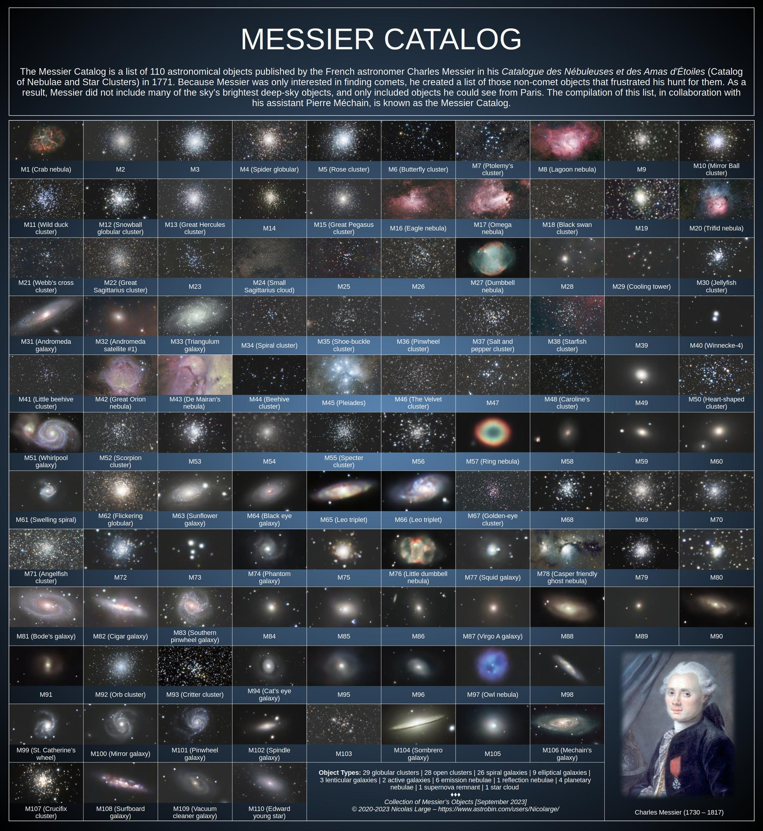
Source

